MAZE
MAZES QUE CORRIERON COMPLETO

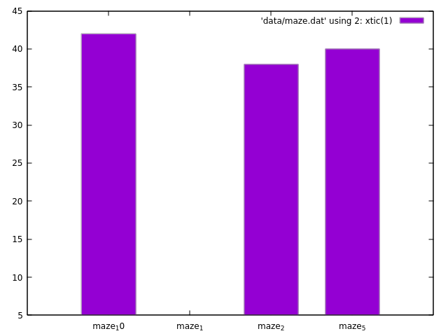

 | Maze 1 | 12 | 36
 | Maze 2 | 11 | 33
 | Maze 3 | 0 | 0
 | Maze 4 |  | 0
 | Maze 5 | 10 | 30
 | Maze 6 |  | 0
 | Maze 7 |  | 0
 | Maze 8 |  | 0
 | Maze 9 |  | 0
 | Maze 10 | 9 | 27
 | Maze 11 |  | 0
 | Maze 12 |  | 0

NQUEENS
NQUEENS
 | CORRIDA 1 | 32 | 1 | 1 |  | CORRIDA 2 | 40 | 2 | 2 | CORRIDA 3
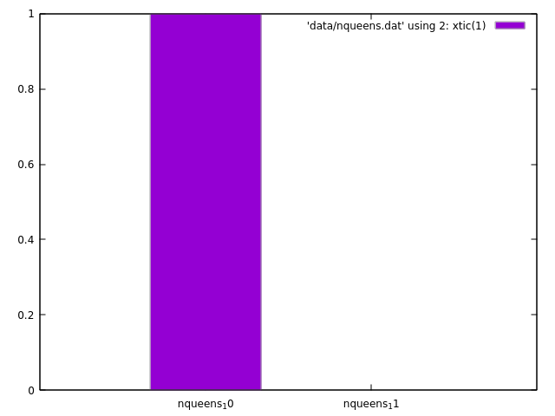
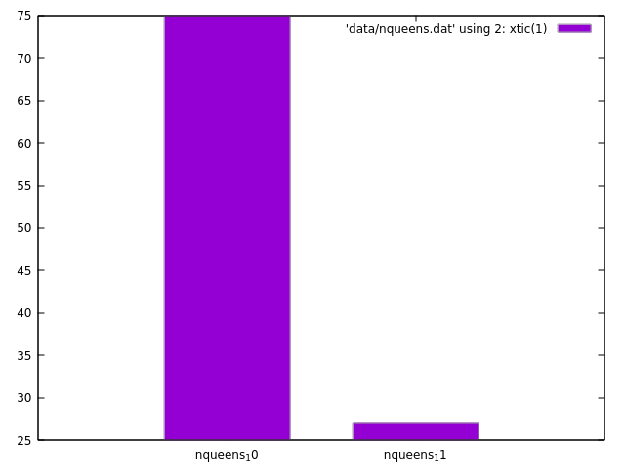

 |  | nqueens 11 | 12 |  |  |  | nqueens 11 | 12
 |  | nqueens 10 | 11 |  |  |  | nqueens 10 | 11

 |  |  |  |  | nqueens 11 | 24
 |  |  |  |  | nqueens 10 | 22

HORSE
CORRIDA 1 | 97 | 1 | 1 | CORRIDA 2 | 150 | 75 | 75 |  |  |  | CORRIDA 3 | 500 | 17 | 17
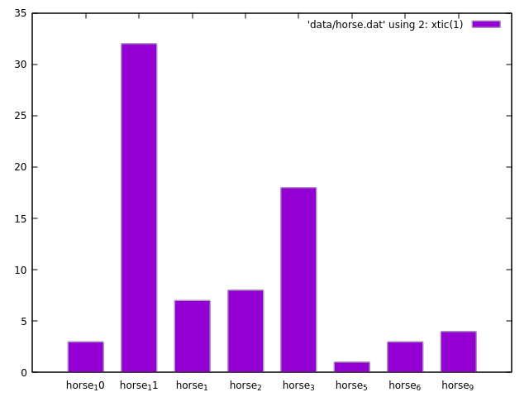
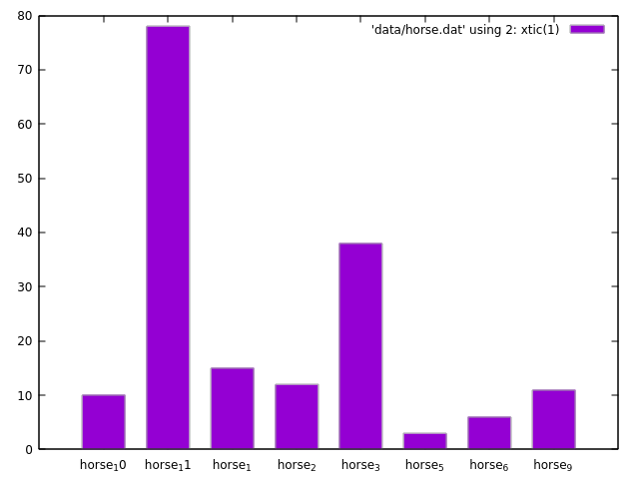
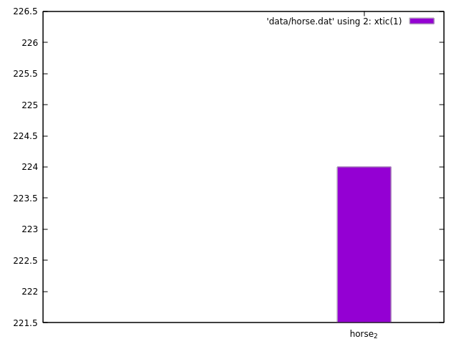

 | horse 5 | 12 |  |  | horse 5 | 12 |  |  |  |  |  |  | horse 2 | 12
 | horse 10 | 11 |  |  | horse 6 | 11 |  |  |  |  |  |  | horse 5 | 0
 | horse 6 | 11 |  |  | horse 10 | 10 |  |  |  |  |  |  | horse 6 | 0
 | horse 9 | 9 |  |  | horse 9 | 9 |  |  |  |  |  |  | horse 10 | 0
 | horse 1 | 8 |  |  | horse 2 | 8 |  |  |  |  |  |  | horse 9 | 0
 | horse 2 | 7 |  |  | horse 1 | 7 |  |  |  |  |  |  | horse 1 | 0
 | horse 3 | 6 |  |  | horse 3 | 6 |  |  |  |  |  |  | horse 3 | 0
 | horse 11 | 5 |  |  | horse 11 | 5 |  |  |  |  |  |  | horse 11 | 0

 |  |  |  |  |  |  |  |  | Horse final | Nqueens final | Maze final |  | nota de contest | nota por resolucion | NOTA FINAL
 |  |  |  |  | horse 4 | 0 | 0 | 0 | 0 | 0 | 0 | 0 | 0 | 8 | 8
 |  |  |  |  | horse 7 | 0 | 0 | 0 | 0 | 0 | 0 | 0 | 0 | 8 | 10 | mas 2 puntos por mejor maze
 |  |  |  |  | horse 8 | 0 | 0 | 0 | 0 | 0 | 0 | 0 | 0 | 0 | 0
 |  |  |  |  | horse 12 | 0 | 0 | 0 | 0 | 0 | 0 | 0 | 0 | 11 | 11
 |  |  |  |  | horse 3 | 6 | 6 | 0 | 12 | 0 | 0 | 12 | 5 | 8 | 13
 |  |  |  |  | horse 9 | 9 | 9 | 0 | 18 | 0 | 0 | 18 | 6 | 8 | 14
 |  |  |  |  | horse 6 | 11 | 11 | 0 | 22 | 0 | 0 | 22 | 7 | 8 | 15
 |  |  |  |  | horse 11 | 5 | 5 | 0 | 10 | 24 | 0 | 34 | 8 | 8 | 16
 |  |  |  |  | horse 1 | 8 | 7 | 0 | 15 | 0 | 36 | 51 | 9 | 8 | 17
 |  |  |  |  | horse 5 | 12 | 12 | 0 | 24 | 0 | 30 | 54 | 10 | 8 | 18
 |  |  |  |  | horse 2 | 7 | 8 | 12 | 27 | 0 | 33 | 60 | 11 | 8 | 19
 |  |  |  |  | horse 10 | 11 | 10 | 0 | 21 | 22 | 27 | 70 | 12 | 8 | 20

 |  |  |  |  | nqueens 11 | 24
 |  |  |  |  | nqueens 10 | 22

 |  |  |  |  |  |  |  | EXPOSICION HORSE |  | EXPOSICION QUEENS |  | EXPOSICION MAZE
 |  |  |  |  |  |  |  | horse 2 |  | QUEENS 11 |  | MAZE 1

